Q2
1 Design a build up column to carry an axial load of 1000kN which is 5m long one end hinged and the other one is fixed. Design the associated lacing system also. Use steel of grade Fe410 and bolts of grade 4.6. only available section is channel section. Explain all possible arrangement of channel section.
Given that
Axial load |  | 1000 | kN
Design load |  | 1500 | kN
End condn
both hinged
Length of column |  | 3 | m
K |  | 1
Effective length le |  | 3 | m

Assume permissible stress is |  | 200 | Mpa
Area required |  | 7500 | mm2
 |  | 3750
Using ISMC 350 |  |  |  |  |  | ISMC 300 |  |  | ISMC 250
Area |  | 5440 | mm2 |  |  | 4630 |  |  | 3900 | mm2
rzz |  | 136 | mm |  |  | 118 |  |  | 99.2 | mm
ryy |  | 28.2 |  |  |  |  |  |  | 23.7 | mm
cyy |  | 24.4 | mm |  |  |  |  |  | 23 | mm
flange width |  | 100 | mm |  |  |  |  |  | 80 | mm
depth |  | 350 | mm |  |  |  |  |  | 250 | mm
thickness of web |  | 8.3 | mm |  |  |  |  |  | 7.2 | mm
thickness of flange |  | 13.5 | mm |  |  |  |  |  | 13.1 | mm
Izz |  | 10000 | cm4 |  |  | 6420 |  |  | 3880 | cm4
Iyy |  | 434 | cm4 |  |  |  |  |  | 211 | cm4
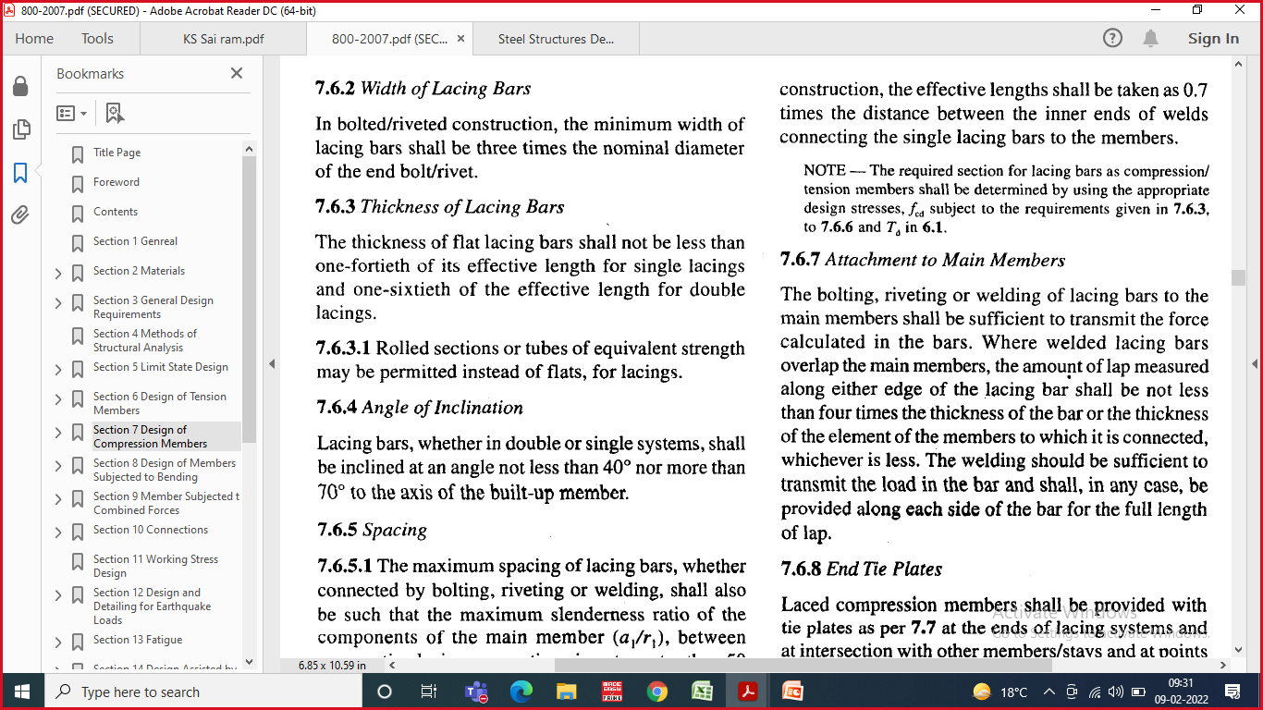
Slenderness ratio |  | 23.16 |  |  |  | 26.69 |  |  | 31.75

Allowable stress |  | 224.10294118 | mpa |  |  | 221.98305085 |  |  | 208.71975806
Allowable load |  | 2438.24 | kN | MH |  | 2055.5630508 | kN | Okay | 1628.0141129 | kN | > | 1500

 | 20 | 226 |  |  |  | 20 | 226 |  | 30 | 211
 | 30 | 220 | 224.10294118 |  |  | 30 | 220 | 221.98305085 | 40 | 198 | 208.71975806

2*Iz = 2(Iy + A*(Z/2+cy)^2) |  | 77600000
(Z/2+cy)^2 = (Iz-Iy)/A |  | 147.98651817 | mm
Z = 2x(√((Iz-Iy)/A)-cy)
Assume Z |  | 150 | mm
Gauge length g |  | 45 | mm
Design of Lacing

Distance bet two bolt |  | 240 | mm
Assume inclination of lacing |  | 45 | Degree | From Vertical / From axis of the angel
Length of the lacing |  | 339.41 | mm
Min L/r
Min of 0.7*Global L/r or 50 |  | 22.23 | or | 50
 |  | 22.23
 |  | 480.00
L/r provided |  | 20.25 | < | 22.23 | TRUE
Assume bolt diameter |  | 16 | mm
Hole diameter |  | 18 | mm
Min width of lacing |  | 54 | mm | Twice min edge distance or 3 times hole diameter
Assume |  | 60 | mm
Min thickness t = (1/40)* effective length |  | 8.49 | mm
Assume 10 mm thick flate |  | 10 | mm
I = bt^3/12
A = b*t
r = √(I/A) = t/√12 |  | 2.9 |  | type c
l/r |  | 117.58 |  | < | 145
 |  | 110 | 94.6
 |  | 120 | 83.7 | 86.3 | MPa
Allowable stress |  | 86.3 | MPa
Allowable strength |  | 51.81 | kN
Design Shear force = 2.5% of Axial load |  | 37.5 | kN
Force on each lacing |  | 18.75 | kN
Force on lacing bar |  | 26.5 | kN | < | 51.81 | TRUE
Desgn of lacing in tension
fub = |  | 400 | mpa
Dia of Bolt d = |  | 16 | mm |  |  | edge
Dia of Bolt hole do = |  | 18 | mm
Width of plate |  | 60 | mm
Thickness of plate |  | 10 | mm
fy of Plate |  | 250 | Mpa
fup |  | 410 | Mpa

Edge distance
Min Edge and End distance required = 1.5do = |  | 27 | mm
Max Edge distance = 12tɛ |  | 120 | mm |  | ɛ=(250/fy)0.5
Edge distance provided |  | 30 | mm |  | from centre of Bolt hole
 |  |  |  |  | t =

Tensile strength of plate
1. Net area cracking or rupture
Tdn = (0.9fu /1.25)*An = |  | 124.0 | kN |  | An = | 420 | mm2
 |  | 0.0 | kN
2. Gross area yielding
Tdg = (fy/1.1)*Ag |  | 136.4 | kN |  | Ag | 600 | mm2

Tnesile strength will be min of the above 2 = |  | 124.0 | kN | > | 26.516504294 | kN | TRUE

Bolt Value
Bolt Value will be min of Shear strength of Bolt and Bearing Strength of Bolt
1. Shear Strength | Vnsb = (fu/√3)(nn*Anb+ns*Asb) | 36.3 | kN | nn | 1
 | Vdsb= Vnsb/1.25 | 29.0 | kN | ns | 0
 |  |  |  | Anb | 157
2. Bearing strength | Vnpb = 2.5kb*fu*d*t | 91.11 | kN | Asb | 201
 | Vdpb=Vnpb/1.25 | 72.89 | kN |  | kb= | 0.556
 |  |  |  |  | e/3do | 0.556
Bolt value = min of Shear and Bearing strength pf bolt |  | 29.0 | kN |  | P/3do-0.25 | 1.000
 |  |  |  |  | fub/fu | 0.976
 |  |  |  |  | 1 | 1.000
Tensile strength of connection |  | 29.01 | kN | > | 26.516504294 | kN | TRUE

